Final Desired Orbit
Final Operating Orbit |  |  |  |  |  |  |  |  |  |  |  |  |  | Metric Value Derivations
ID | Option | Time | Inclination | Perihelion | Period | ∆V Required | Feasibility | Cost | Value | Monetary Cost | Mission Value | Reliability |  | Metric | Source
5.1 | Elliptical Orbit (Venus flyby) | 2.79 | 75 | 0.15 | 106.61 | 2.5 | 0.850 | 0.715 | 3.177 | 1.89 | 3.0899 | 85.00% |  | Time (years) | Requierd time to achieve the final orbit
5.2 | Elliptical Orbit (Earth flyby) | 3.04 | 75 | 0.20 | 174.02 | 11.2 | 0.800 | 1.627 | 2.992 | 6.78 | 2.9236 | 80.00% |  | inclination (deg) | The desired inclination of the orbit (>=75 deg is required) | Cost
5.3 | Elliptical Orbit (Mars flyby) | 12.00 | 75 | 0.30 | 319.70 | 2.9 | 0.800 | 2.289 | 2.657 | 2.17 | 2.6066 | 80.00% |  | Perihelion (AU) | The shortest distance to the Sun | Reliability
5.4 | Modified Ulysses orbit (Jupiter flyby) | 5.5 | 79.11 | 0.90 | 2042.1 | 8.8 | 0.700 | 1.797 | 1.111 | 5.76 | 1.5022 | 70.00% |  | Period (days) | How frequently the spacecraft can observe poles of the Sun | Science Value
5.5 | Circular orbit (Spiral + Orbit Cranking) | 4.9 | 90 | 0.48 | 121.47 | 0 | 0.900 | 0.817 | 2.170 | 0.53 | 3.5884 | 90.00% |  | ∆V (km/s) | Required ∆V to achieve the final orbit | Communication
5.6 | Non-Keplarian Orbit (beta=0.8) | 7 | 75 | 0.48 | 271.60 | 0 | 0.500 | 1.167 | 2.140 | 0.67 | 2.0854 | 50.00%
5.7 | POLARIS Final Orbit | 8.23 | 75 | 0.48 | 120 | 2.5 | 0.7 |  |  | 2.06 | 2.0885 | 70.00% |  | Value and Cost Functions
REF | POLARIS Final Orbit | 8.23 | 75 | 0.48 | 120 | 2.5 | 0.7 |  |  |  |  |  |  | Cost | (Time / 6 years) + (∆V /10)
 |  |  |  |  |  |  |  |  |  |  |  |  |  | Value | 0.9*(2-Perihelion)^2 + 0.1*10/sqrt(Period)
Final Operating Orbit - Normalized
ID | Option | Time | Inclination | Perihelion | Period | ∆V | Feasibility | Cost | Value | Monetary Cost | Mission Value | Reliability |  | Figures of Merit Functions
5.1 | Elliptical Orbit (Venus flyby) | 0.34 | 1.00 | 1.00 | 0.89 | 1 | 0.850 | 0.156 | 1.961 | 1.08 | 1.48 | 85.00% |  | Monetary Cost | X * (1 + dV ) / (1 + Y * feasibility)
5.2 | Elliptical Orbit (Earth flyby) | 0.37 | 1.00 | 1.33 | 1.45 | 4.48 | 0.800 | 0.510 | 1.230 | 3.04 | 1.40 | 80.00% |  | Mission Value | X * (2-Perihelion)^2 + Y / sqrt(Period) + Z * (inclination-75)
5.3 | Elliptical Orbit (Mars flyby) | 1.46 | 1.00 | 2.00 | 2.66 | 1.16 | 0.800 | 0.359 | 0.613 | 1.20 | 1.25 | 80.00% |  | Reilability | feasibility (%)
5.4 | Modified Ulysses orbit (Jupiter flyby) | 0.67 | 1.05 | 6.00 | 17.02 | 3.52 | 0.700 | 0.463 | 14.642 | 2.66 | 0.72 | 70.00%
5.5 | Circular orbit (Spiral + Orbit Cranking) | 0.60 | 1.20 | 3.20 | 1.01 | 0 | 0.900 | 0.099 | 2.290 | 0.53 | 1.72 | 90.00%
5.6 | Non-Keplarian Orbit (beta=0.8) | 0.85 | 1.00 | 3.20 | 2.26 | 0 | 0.500 | 0.142 | 1.961 | 0.67 | 1.00 | 50.00%
5.7 | POLARIS Final Orbit | 8.23 | 75 | 0.48 | 120 | 2.5 | 0.7 |  |  | 2.06 | 1.00 | 70.00%
REF | POLARIS Final Orbit | 8.23 | 75 | 0.48 | 120 | 2.5 | 0.7

 | Option | Time | Inclination | Perihelion | Aphelion | Period |  | semi-major axis |  |  | Monetary Cost | dV required | 1
 | Elliptical Orbit - Venus flyby |  | 75 | 0.15 | 0.73 | 106.6072434 |  | 65824000 |  |  |  | feasibility | 1
 | Elliptical Orbit - Earth flyby |  | 75 | 0.2 | 1.02 | 174.0213172 |  | 91256000 |  |  | Mission Value | Perihelion | 0.9
 | Elliptical Orbit - Mars flyby |  |  | 0.3 | 1.53 | 319.6975737 |  | 136884000 |  |  |  | Period | 0.1
 | Modified Ulysses orbit | ~3 years | 79.11 | 0.9 | 5.4 | 2042.083658 |  | 471240000 |  |  |  | Inclination | 0.1
 | Circular orbit (Orbit Cranking) |  | 75 | 0.48 | 0.48 | 121.4701465 |  |  |  |  | Reliability | feasibility | 100%
 | Non-Keplarian Orbit |  | 75 |  |  | 270

Final Desired Orbit
 | Option | Potential ∆V Gain (km/s) | Mission Compatibility (out of 10) | Time Required from Earth (days) | ∆V Required (km/s) | # Gravity assist (Estimated) |  | Orbital Period (days)
 | Venus | 11.2 | 8 | 120 | 2.5 | 5 |  | 224.7 | 1018.8 |  |  |  | 2.789322382
 | Jupiter | 14 | 7 | 730 | 8.8 | 1 |  | 4335.5175 | 730 |  |  |  | 1.998631075 | Delta-V Budget Wikipedia
 | Mars | 11.3 | 6 | 259.25 | 2.9 | 7 |  | 686.99 | 4381.19 |  |  |  | 11.99504449
 | Earth | 5.2 | 3 | 15 | 11.2 | 4 |  | 365.26 | 1110.78 |  |  |  | 3.041149897
 | Mercury | 13.3 | 2 | 106.75 | 7.5
 | Moon | 0.9 | 1 | 3 | 6.1

Flybys
Planetary Flybys |  |  |  |  |  |  |  |  |  |  |  |  |  | Metric Value Derivations
ID | Option | ∆V Gain | Mission Compatibility | Time Required from Earth | ∆V Required | Inclination Gain | Succesful Heritage | Cost | Value | Monetary Cost | Mission Value | Reliability |  | Metric | Source
6.1 | Venus | 11.2 | 8 | 120 | 2.5 | 18.40 | 16.0 | 10.3 | 896 | 1.38 | 54.48188754 |  |  | ∆V Gain | ∆V that can be gained from gravity assist
6.2 | Jupiter | 14 | 7 | 730 | 8.8 | 64.83 | 11.0 | 220.0 | 980 | 7.40 | 269.2817754 |  |  | Mission Compatibility | How compatible a flyby subject is with our mission goals and instrument package
6.3 | Mars | 11.3 | 6 | 259.25 | 2.9 | 27.08 | 9.0 | 25.7 | 678 | 1.77 | 100.9336969 |  |  | Time Required from Earth | Amount of days to get there (generally)
6.4 | Earth | 5.2 | 3 | 15 | 11.2 | 10.02 | 24.0 | 5.8 | 156 | 10.68 | 13.61106597 |  |  | ∆V Required (km/s) | ∆V required to enter gravity assist
6.5 | Mercury | 13.3 | 2 | 106.75 | 7.5 | 15.97 | 9.0 | 27.4 | 266 | 6.17 | 44.603837

REF | Venus | 11.2 | 8 | 120 | 2.5 | 18.40 | 16.0 | 10.3 | 896 |  |  |  |  | Value and Cost Functions
 |  |  |  |  |  |  |  |  |  |  |  |  |  | Cost | 100 * (Time Required/ 8 years) * (∆V Required/10)
Planetary Flybys - Normalized |  |  |  |  |  |  |  |  |  | Monetary Cost | Mission Value | Reliability |  | Value | 100*(Mission Compatibility/10)* ∆V Gain
Planet Flyby Pareto
ID | Option | ∆V Gain | Mission Compatibility | Time Required from Earth | ∆V Required | Inclination Gain | Succesful Heritage | Cost | Value
6.1 | Venus | 1.00 | 1.00 | 1.00 | 1.00 | 1.00 | 1.0 | 0.0 | 10 | 1.00 | 1.00 | 90% | 0.9025
6.2 | Jupiter | 1.25 | 0.88 | 6.08 | 3.52 | 3.52 | 0.7 | 0.7 | 10.9375 | 3.77 | 4.90 | 97% | 0.9746794345
6.3 | Mars | 1.01 | 0.75 | 2.16 | 1.16 | 1.47 | 0.6 | 0.1 | 7.566964286 | 1.18 | 2.20 | 93% | 0.9259454628
6.4 | Earth | 0.46 | 0.38 | 0.13 | 4.48 | 0.54 | 1.5 | 0.0 | 1.741071429 | 4.93 | 0.68 | 84% | 0.8356657801
6.5 | Mercury | 1.19 | 0.25 | 0.89 | 3.00 | 0.87 | 0.6 | 0.1 | 2.96875 | 3.20 | 1.05 | 88% | 0.8796481896

REF | Venus | 1.00 | 1.00 | 1.00 | 1.00 | 1.00 | 1.0 | 0.0 | 10 | 1.00 | 1.70 | 90%

 |  |  |  |  |  |  |  |  |  |  |  | I*/[round(75/inc)] + J*heritage
 |  |  |  |  | Hohmann Transfer: |  |  |  |  |  | Weight
 | Venus | 0.02109974425 | 0.8980582524 |  |  |  |  | Monetary Cost | dV req (direct, pos) |  | 1
 | Jupiter | 1 | 1 |  |  |  |  |  | dV gain (direct, neg) |  | -0.1
 | Mars | 0.09332241049 | 0.6334951456 |  | https://en.wikipedia.org/wiki/List_of_planetary_flybys |  |  | Mission Value | Mission comp (direct, pos) |  | 0.7
 | Earth | 0 | 0 |  |  |  |  |  | i gain (direct, pos) |  | 0.7
 | Mercury | 0.101122922 | 0.1334951456 |  |  |  |  |  | Time (inverse) |  | 0.3
 | Moon | -0.02685421995 | -0.1893203883 |  |  |  |  | Reliability | # of flybys req (inverse to i) |  | 2
 |  |  |  |  |  |  |  |  | Flyby Heritage |  | 0.75

 |  |  | orbital velocity (km/s) | Semi-major axis (km) | dv | Inclination (rad) | Inclination (deg) | round(75 / inclination) |  | Flyby Heritage | Reliability
 |  | Venus | 35.02092145 | 108207284 | 11.2 | 0.3211876449 | 18.40269648 | 4 |  | 16.0 |  | 73.61078593
 |  | Jupiter | 13.05833763 | 778279959 | 14 | 1.131516288 | 64.83110775 | 1 |  | 11.0 |  | 64.83110775
 |  | Mars | 24.12912681 | 227944135 | 11.3 | 0.4727024051 | 27.08385278 | 3 |  | 9.0 |  | 81.25155834
 |  | Earth | 29.78468911 | 149597898 | 5.2 | 0.174808836 | 10.01580852 | 7 |  | 24.0 |  | 70.11065966
 |  | Mercury | 47.87209191 | 57909101 | 13.3 | 0.2787250174 | 15.96976714 | 5 |  | 9.0 |  | 79.84883571

Inclination Change
Inclination Change Method |  |  |  |  |  |  |  |  |  |  | Metric Value Derivations
ID | Option | dV Cost (km/s) | Time (years) | Feasibility | Additional Req | Cost | Value | Monetary Cost | Mission Value | Reliability | Metric | Source
8.1 | Direct Transfer from 1 AU | 42.12 | 0.00 | 0.01 | 0 | 100 | 0 | 110.42599 | 0.80000 | 1.00% | dV Cost (km/s) |  | 43 km/s was max for single impulsive burn
8.2 | Bielliptic Transfer | 35.60 | 2.00 | 0.2 | 0 | 79 | 11 | 12.41750 | 0.26667 | 20.00% | Time (years)
8.3 | Solar Sail | 0.00 | 8.60 | 0.7 | 1 | 100 | 172 | 1.42857 | 0.58333 | 70.00% | Feasibility | Team confidence in method with technical limitations and past mission usage considerations (0-1)
8.4 | Gravity Assist Inner Planets | 10.00 | 6.50 | 0.9 | 1 | 81 | 167 | 2.42690 | 0.60667 | 90.00%
8.5 | Gravity Assist Outer Planets | 8.80 | 5.50 | 0.9 | 1 | 85 | 141 | 2.26901 | 0.62308 | 90.00%
8.6 | Venus GA + Solar Sail | 2.5 | 8.23 | 0.8 | 1 | 94 | 188 | 1.59722 | 0.58667 | 80.00%
 |  |  |  |  |  |  |  | dv cost (direct) | time (inverse) | feasibility (direct)
REF | POLARIS Mission | 2.5 | 8.23 | 0.8 |  | 94 | 188 | feasibility (inverse) | additional req |  | Value and Cost Functions
 |  |  |  |  |  |  |  |  |  |  | Cost | 100 - (0.3*(dVCost * Time))
Inclination Change Method - Normalized |  |  |  |  |  |  |  | Monetary Cost | Mission Value | Reliability | Value | (Time * Feasibility)/3.5 * 100
ID | Option | dV Cost | Time | Feasibility | Additional Req | Cost | Value
8.1 | Direct Transfer from 1 AU | 16.85 | 0.00 | 0.0125 | 0 | 100 | 0 | 84.160 | 1.36 | 1.00%
8.2 | Bielliptic Transfer | 14.24 | 0.24 | 0.25 | 0 | 99 | 2 | 6.848 | 0.45 | 20.00% | Figures of Merit Functions
8.3 | Solar Sail | 0.00 | 1.04 | 0.875 | 1 | 100 | 26 | 1.143 | 0.99 | 70.00% | Monetary Cost | X * (deltaV cost) / (feasibility + 1) + (1 / feasibility)
8.4 | Gravity Assist Inner Planets | 4.00 | 0.79 | 1.125 | 1 | 99 | 25 | 1.359 | 1.03 | 90.00% | Mission Value | X / (time required + 1) + X * (additional requirement)
8.5 | Gravity Assist Outer Planets | 3.52 | 0.67 | 1.125 | 1 | 99 | 21 | 1.303 | 1.06 | 90.00% | Reilability | feasibility (%)
8.6 | Venus GA + Solar Sail | 1.00 | 1.00 | 1 | 1 | 100 | 29 | 1.125 | 1.00 | 80.00%

REF | POLARIS Mission | 1.00 | 1.00 | 1 |  | 100 | 29 | 1.125
Inclination Change Method Pareto
 |  |  |  |  |  |  |  |  |  | Weights
 |  |  |  |  |  |  | Monetary Cost | dV Cost |  | 0.25
 | Direct Transfer from 1 AU | 100
 | Bielliptic Transfer | 79 |  |  |  |  | Mission Value | time required |  | 0.8
 | Solar Sail | 100 |  |  |  |  |  | additional req |  | 0.5
 | Gravity Assist Inner Planets | 81
 | Gravity Assist Outer Planets | 85 |  |  |  |  | Reliability | feasibility (direct) |  | 1

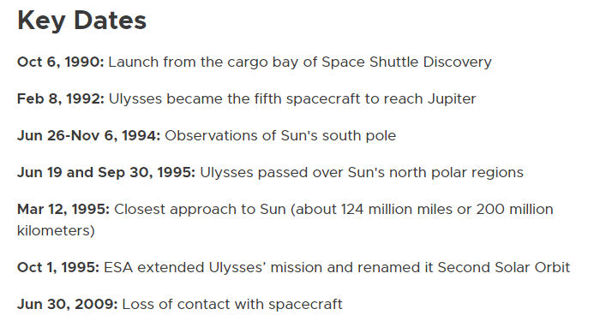

 |  |  |  |  |  |  |  |  |  |  |  | https://solarsystem.nasa.gov/missions/ulysses/in-depth/

Initial Orbit
Initial Orbit |  |  |  |  |  |  |  | Metric Value Derivations
ID | Option | Mass | Inclination | Compatibility | dV to Escape | Cost | Value | Metric | Source
7.1 | LEO | 1 | 28.5 | 1 | 5.51 | 63.80 | 49.40 | Mass | How much mass can be taken to that orbit. Normalized by LEO mass (10,784 kg) (0 to 1) | Determined by Atlas V numbers, launch vehicle may add some variance to the actual ratios.
7.2 | Sun Synchronous | 0.77 | 98 | 3 | 5.38 | 78.52 | 86.42 | Inclination | Inclination (deg) | Launch assumed from Cape Canaveral
7.3 | Heliocentric | 0.25 | 28.5 | 4 | 0 | 26.16 | 51.04 | Compatibility | Determined by how well it fits mission objectives (1-5). | Determined by how well the orbit fits with the inclination change and flyby options. LEO (200km) would increase mass significantly, but would need additional propulsion systems to escape the low altitude and low inclined orbit. Sun Synchronous has a similar issue of needing more propulsion, but surpasses the desired inclination. This will decrease delta V costs after escaping Earth. Heliocentric orbits achieve escape velocity which allows the spacecraft to immediately proceed with mission. However, this means the launch window will be more restricted and the spacecraft will not have time to calibrate.
 |  |  |  |  |  |  |  | dV to Escape | delta V needed to escape Earth at that orbit (km/s)

 |  |  |  |  |  |  |  | Value and Cost Functions
 |  |  |  |  |  |  |  | Cost | 60*(dV to Escape/5.505)+30*(1-Mass)+10*(Inclin/75)
 |  |  |  |  |  |  |  | Value | 30*Mass + 30*(Inclin/75) + 40*(Compatibility/5)

Value vs. Cost

Application of Propulsion
Application of Propulsion - Brett |  |  |  |  |  |  | Metric (on the order of 100) Value Derivations
ID | Option | Mass Requirement | Platform Mass Allowance | Mission Time (Post-Launch) | Cost | Value | Metric | Source
1 | Long - Duration | 3.75 | 5 | >6.7 years |  |  | Prop Mass Requirement | LongDuration: (platform mass coeff)^2*.15 | Short Duration (platform mass coeff)*.65
2 | Short - Duration | 3.25 | 5 | <5 years |  |  | Cost
 |  |  |  |  |  |  | Mass Allowance | Coefficient, independent variable in prop mass requirement eq
 |  |  |  |  |  |  | Time Requirement | Placeholders, rough numbers from Polaris Mission concept
 |  |  |  |  |  |  | Potential for Non-Keplerian Orbit

 |  |  |  |  |  |  | Value and Cost Functions (on the order of 100?)
 |  |  |  |  |  |  | Cost | 0.5*(Metric 2 + Metric 3)
 |  |  |  |  |  |  | Value | Metric 1

 |  |  |  |  |  |  | Long-Duration: Polaris Mission Concept (Solar Sail) | Short Duration (Impulse Based, chemical propulsion)

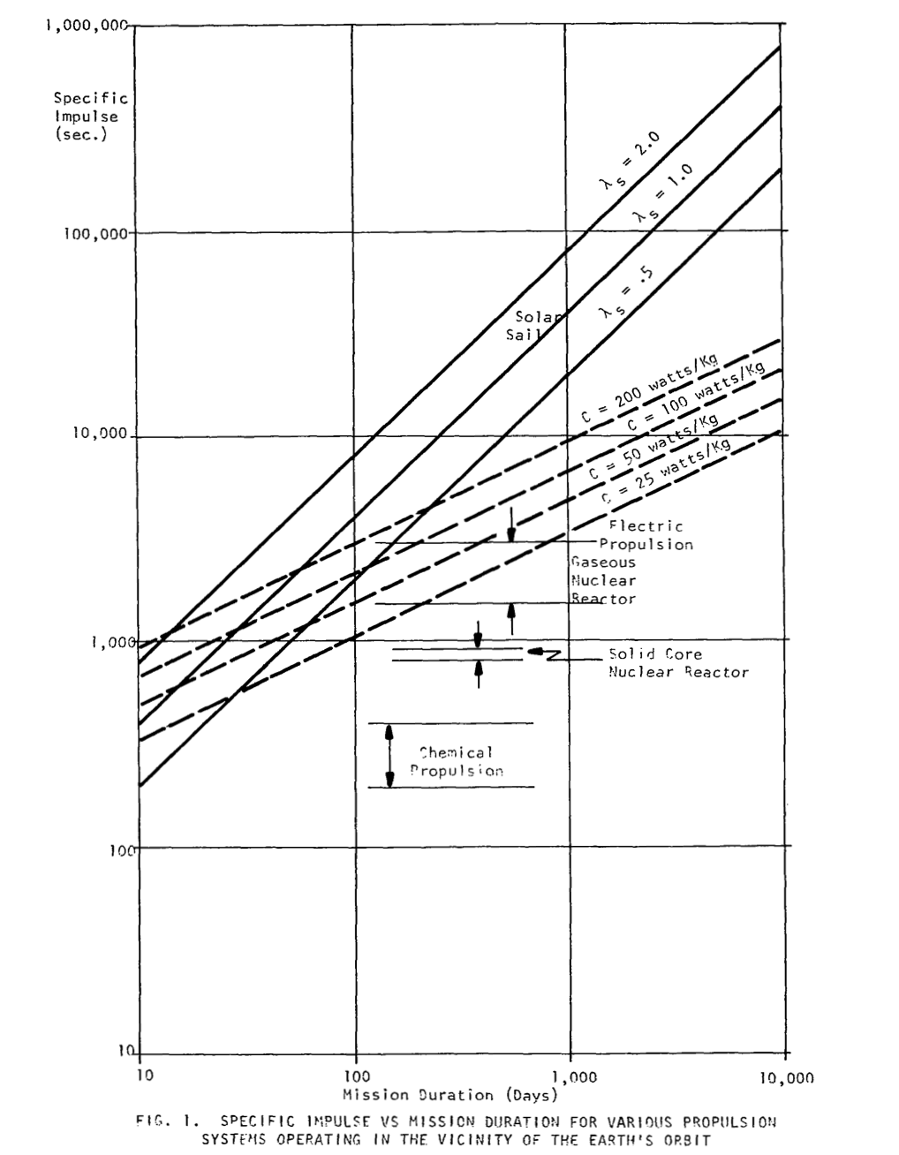

Long Duration Propulsion Methods | Solar Sail | Electron Sail/Engine
Shord Duration Propulsion Methods | Chemical | Ion | Nuclear | Electric Propulsion

Basic Solar Sail Physics
Comparison of Solar Sail with Electric, Nuclear, and Chemical Prop

